Assignment
UserList | If in the above created Login page, the UserID / Password is admin / admin, then display a list of all the users from the DB into a HTML table in JSP page. Besides each record, there is an Edit button. On click of Edit button, display the details of the corresponding user into the page created in the above exercise. On click of Submit the corresponding users details should be updated in DB

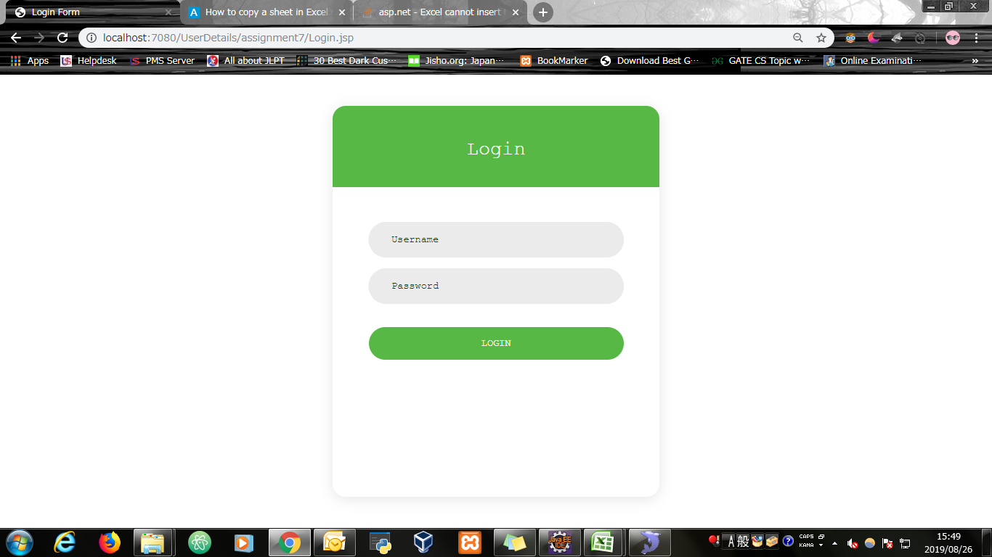
Input Screen

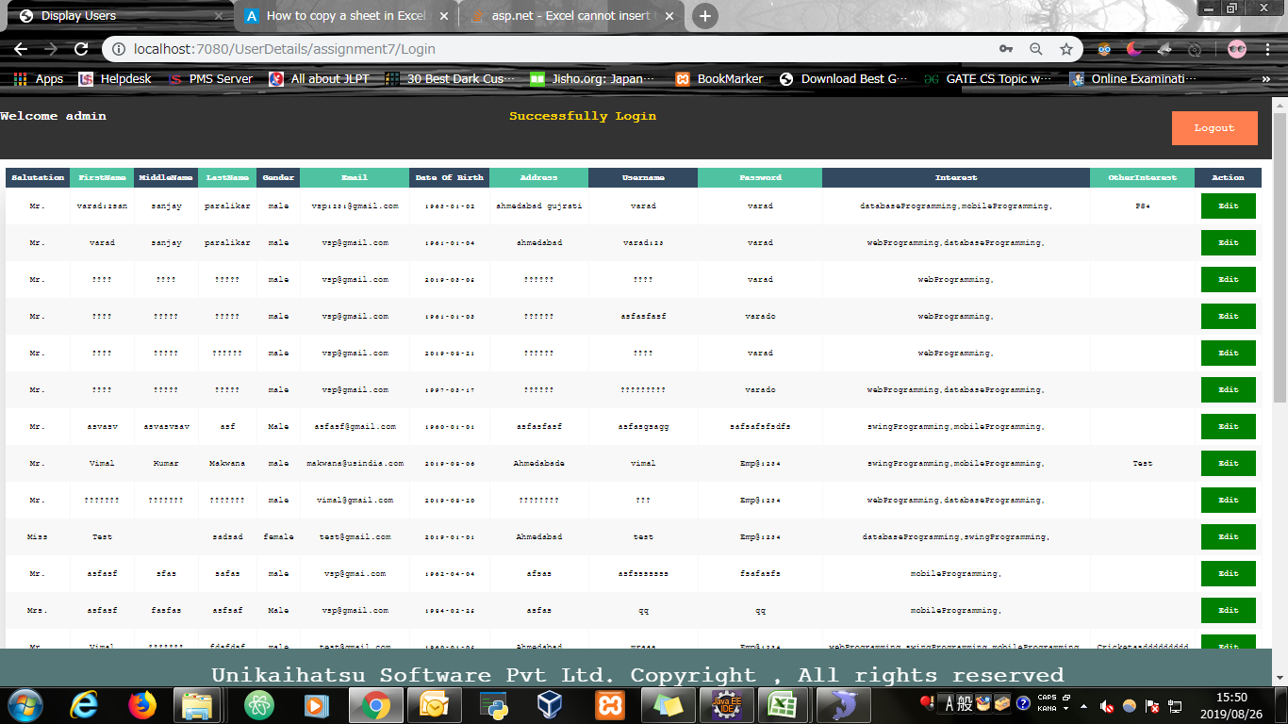
Output Screen

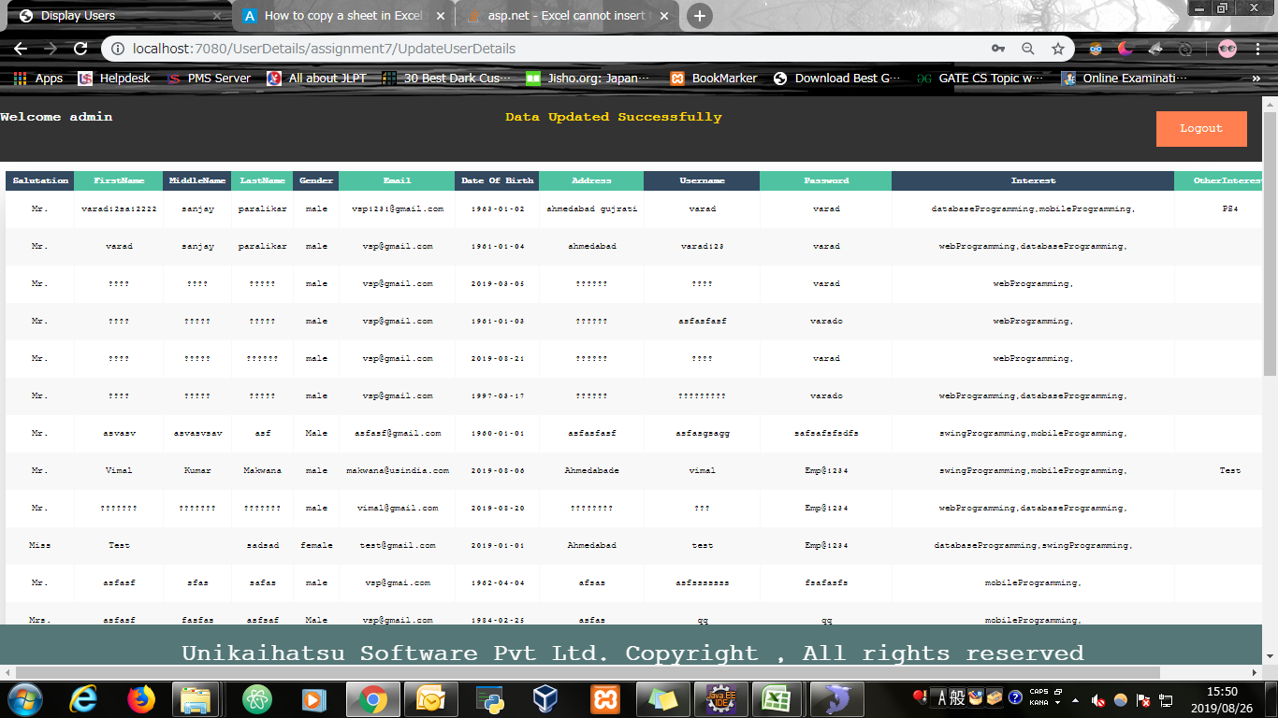

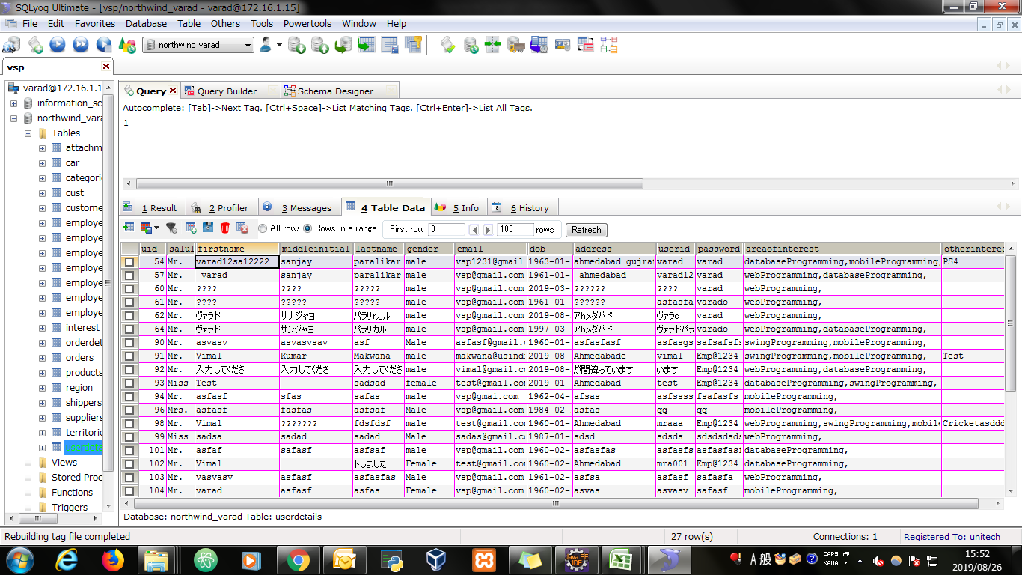
Database

Evidence
Screen shoot 1: | Page Load

Screen shoot 2: | Error Message

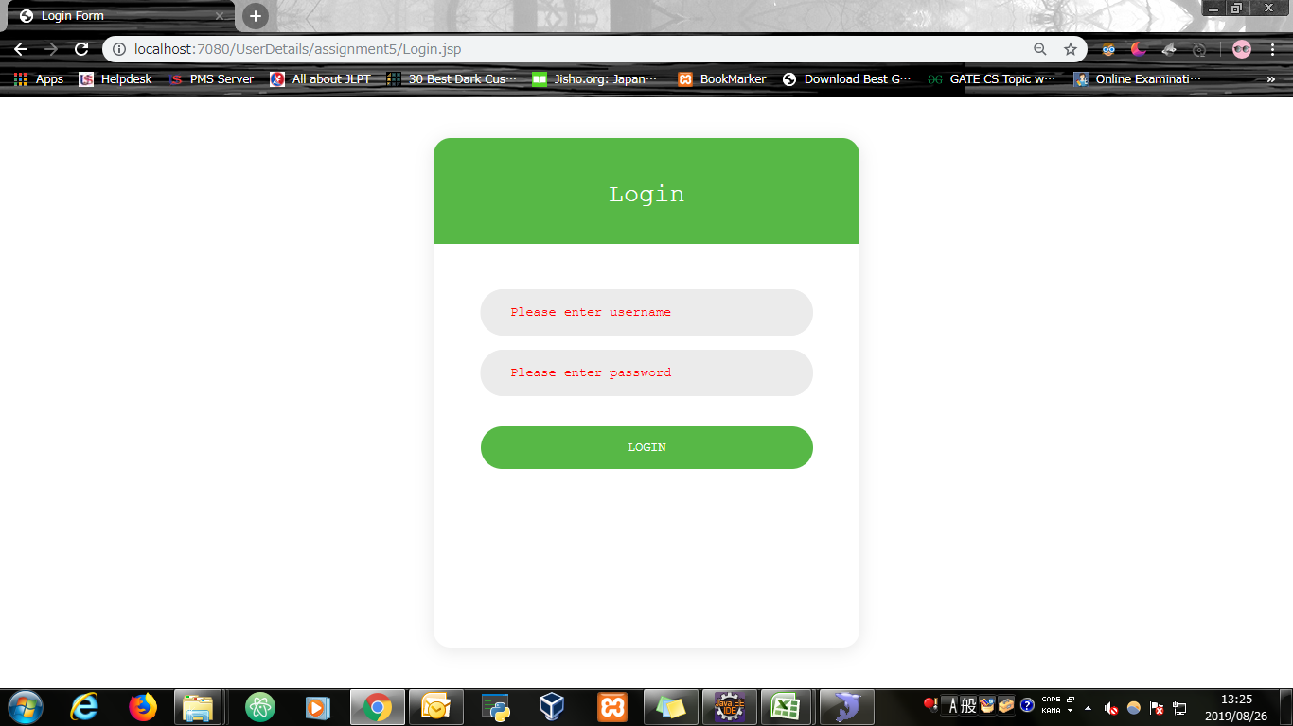

Screen shoot 3: | Successfully display all users data from the database

Screen shoot 4: | Edit User Details

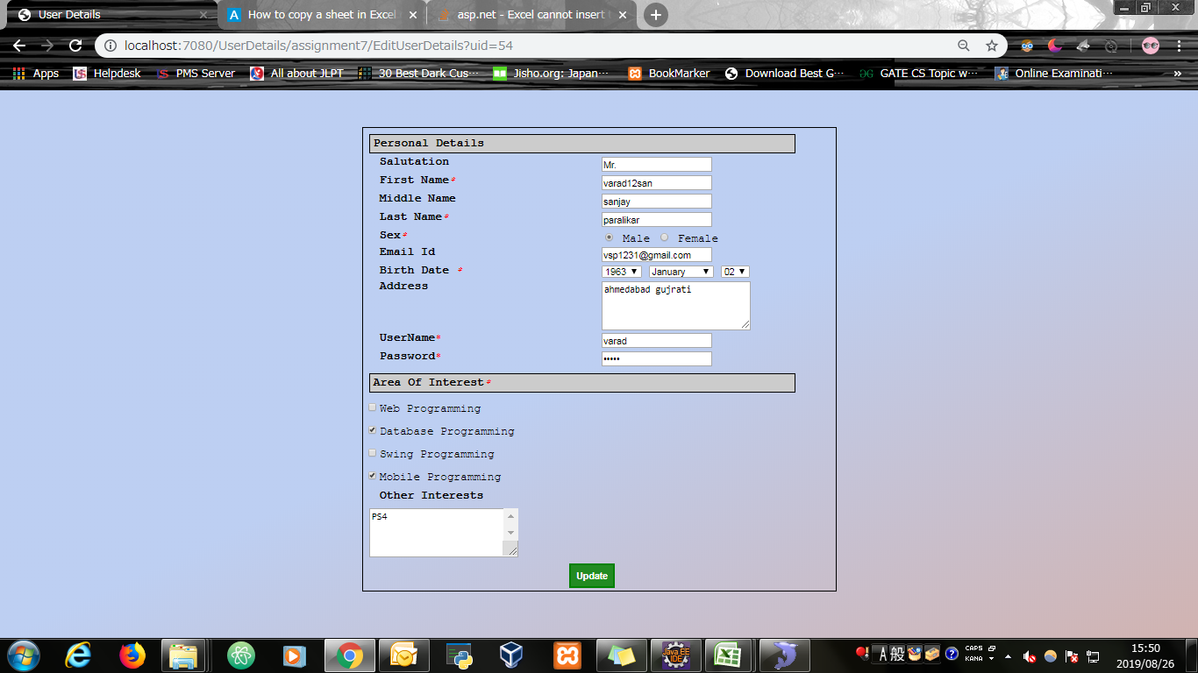

Screen shoot 5: | Updated User Data

